GPS
Trimble | DE9 | Function
1 |  | Antenna Power
2 |  | Main Power
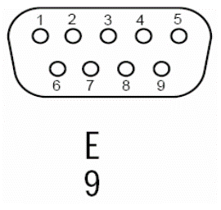
3 |  | TXD
4 |  | NC
5 |  | RXD
6 |  | PPS
7 |  | NC
8 |  | GND

Crystal
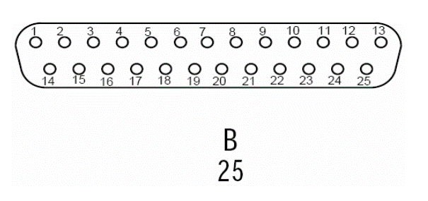
10811 | DB25 | Function
1 | 1 | Out
2 | 2 | GND
3 | 15 | 12V
4 | 3 | GND
5 | 4 | GND
6 | 5 | EFC
7 |  | NC
8 |  | NC
9 |  | NC
10 |  | NC
11 | 9 | Oven Monitor
12 |  | NC
13 |  | NC
14 | 10, 11 | 24V
15 | 12, 13 | GND
A |  | Out
B | 14 | GND
C |  | 12V
D | 16 | GND
E | 17 | GND
F |  | EFC
H |  | NC
J |  | NC
K |  | NC
L |  | NC
M |  | Oven Monitor
N |  | NC
P |  | NC
R | 22, 23 | 24V
S | 24, 25 | GND

